About the Data
 | U.S. Census Bureau
 | Weekly Number of Temporary 2010 Census Workers Paid by Census Region
 | About the data: | These tables provide the total number of temporary 2010 Census workers that earned any pay during a specific weekly pay period by Census Bureau region. Temporary workers earning any pay during a week are only counted once. Totals include temporary workers in Puerto Rico.
 | Source: | Decennial Applicant Personnel and Payroll System (DAPPS)
 | Release Schedule: | Updated weekly information will be released 11 days after the end of the weekly pay period.
 |  | For example:
 |  | The weekly pay period of May 2 - May 8, 2010 were released Wednesday May 19, 2010.
 |  | The weekly pay period of May 9 - May 15, 2010 were released Wednesday May 26, 2010.
 | Regional Geography:
 | 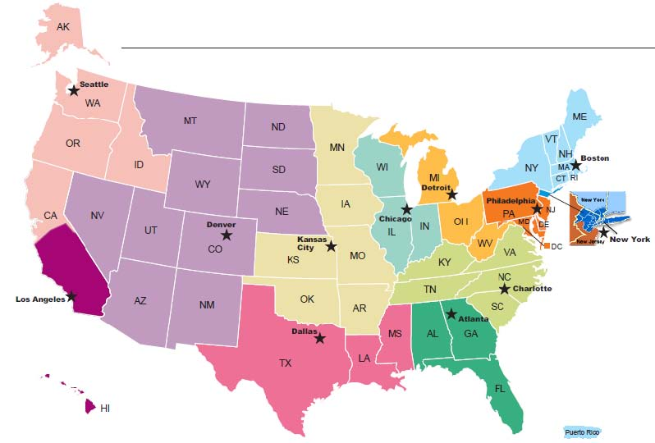 enter map here---pdf from Tim Olson

Regional Census Centers (RCC) |  | Each Regional Census Center Services the following areas
 | Atlanta RCC | Alabama, Florida, Georgia --http:// www.census.gov/regions/atlanta/

 | Boston RCC | Connecticut, Maine, Massachusetts, New Hamphire, New York (all NY counties except those covered by the NY Regional Office listed under the state of NY), Puerto Rico, Rhode Island, Vermont -- http://www.census.gov/regions/boston/

 | Charlotte RCC | Kentucky, North Carolina, Tennessee, Virginia -- http://www.census.gov/regions/charlotte/

 | Chicago RCC | Illinois, Indiana, Wisconsin --http://www.census.gov/regions/chicago/

 | Dallas RCC | Louisiana, Mississippi, Texas -- http://www.census.gov/regions/dallas/

 | Denver RCC | Arizona, Colorado, Montana, Nebraska, Nevada, New Mexico, North Dakota, South Dakota, Utah, Wyoming -- http://www.census.gov/regions/denver/

 | Detroit RCC | Michigan, Ohio, West Virginia -- http://www.census.gov/regions/detroit/

 | Kansas City RCC | Arkansas, Iowa, Kansas, Minnesota, Missouri, Oklahoma -- http://www.census.gov/regions/kansas_city/

 | Los Angeles RCC | Hawaii, Southern California (Fresno, Imperial, Inyo, Kern, Kings, Los Angeles, Madera, Mariposa, Merced, Monterey, Orange, Riverside, San Bernadino, San Diego, San Benito, San Luis Obispo, Santa Barbara, Tulare, and Ventura counties) -- http://www.census.gov/regions/los_angeles/

 | New York RCC | New York (Bronx, Kings, Nassau, Queens, Richmond, Rockland, Suffolk, and Westchester counties). New Jersey (Bergen, Essex, Hudson, Morris, Middlesex, Passaic, Somerset, Sussex, Union, and Warren counties) -- http://www.census.gov/regions/new_york/

 | Philadelphia RCC | Delaware, District of Columbia, Maryland, New Jersey (all counties except those covered by the NY Regional Office listed under the state of NJ), Pennsylvania -- http://www.census.gov/regions/philadelphia/

 | Seattle RCC | Alaska, Idaho, Northern California (all counties except those covered by the LA Regional Office listed under southern California), Oregon, Washington -- http://www.census.gov/regions/seattle/

